Intro page
MEASURING THE WHEELCHAIR USER AND A KÜSCHALL WHEELCHAIR FOR A PERFECT FIT

This Küschall measuring guideline aims to support healthcare professionals and Küschall retailers through the process of an assessment with Küschall Active wheelchairs. The goal is to provide a wheelchair that perfectly fits each user and achieves the best possible match in all dimensions and measurements, ensuring the full benefits of Küschall wheelchairs can be experienced. Performance and precision.
We have 7 focused areas to support this process:
Page 1 - introduction page, explaining the importance of various measurements (as shown below).
Page 2 - provides information about how and where to measure the user - which is the base for every assessment.
Page 3 - explains the general recommendations for measuring a wheelchair user.
Pages 4 - 7 - focus on the measurement of each individual Küschall wheelchair model. The measurement data can be entered into the supporting configuration calculator to generate the results. This way you can check if this configuration is the right one for the user, or if you want to change anything.

THE IMPORTANCE OF CHOOSING THE CORRECT...

SEAT WIDTH
The seat width influences both the user's comfort and posture in the chair. It must be wide enough to avoid lateral pressure points at the hips but narrow enough to support an upright body posture. Also, a narrow seat brings the wheels closer to the arms and hands for ergonomic and efficient propelling, plus the whole chair becomes narrower for passing narrow doors and passages.
FRONT SEAT HEIGHT
A correct front seat height has influence on the seat angle of the chair, and in combination with the correct rear seat height it can support a stable sitting position for the user. It influences the joints of hips, knees and feet. Also, it is important to ensure enough clearance when driving underneath a table. However, higher rear seat height may be useful to grab things in various environments or to reach a front seat height for car transfers. If a cushion is used, the height of the cushion must be taken into account when selecting the seat height.
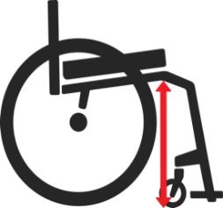

SEAT DEPTH
A correct seat depth is required to facilitate a maximum weight distribution across the whole seating base, avoiding pressure points and skin irritations. A too large seat depth, with contact of the seat or cushion in the hollow of the knee must be avoided as it can reduce the blood flow in the legs as well as trigger spasms. A too short seat depth increases discomfort, pressure points and a bad posture.
REAR SEAT HEIGHT
The correct rear seat height is very important for an ergonomic and efficient propelling of the chair. A good point to start with is having the user sitting upright in the chair, with the arms hanging down straight (but not stretched) at the sides. When the tip of the middle finger is on the same height level as the axis of the rear wheel, the user is getting most out of propelling, because the energy will be applied on the handrims most efficiently. Also, the rear seat height influences the seat angle and by that the stable sitting position in the chair.
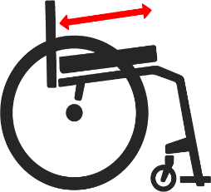

LOWER LEG LENGTH
The lower leg length measurement establishes the correct height for the footplates of the wheelchair, which bear approx. 30% of the body weight. In addition, a correct adjustment provides a good pressure distribution in the front of the seat cushion as well as a sufficient blood circulation in the legs. A too high footrest will cause a bad pressure distribution on the seat and instable posture as well. Footplates must have at least 2 cm clearance above the ground. For short legs Küschall offers high mounted footplates. If a cushion is used, the height of the cushion must be taken into account when selecting the lower leg length.
BACKREST HEIGHT & ANGLE
The required backrest height is depending on the user's degree of needed body support. A correct backrest height and angle should maintain a good upper body posture whilst allowing the highest possible range of movement for an active lifestyle. The backrest angle is very important for comfort and resting in seating as well.

Measurement Recommendations
Taking user measurements should take every individual parameter into account. There are no universal rules but there are general rules of thumb. This guide aims to help you in the process of measuring but will never replace the knowledge and experience from a therapist or prescriber. The information below is for reference only. Please take every personal need into account.

HIP WIDTH
ANATOMICAL SEAT DEPTH

Add approx. 2cm for the wheelchair measurement to cater for enough space (e.g: clothing). Take individual needs into account. Avoid pressure points, but support lateral positioning.
Subtract approx. 4 cm (depending on user’s physique and the legrest angle) to get the wheelchair measurement. As much as possible, the goal is to use the seat depth for good body weight distribution, but avoid any contact with the hollow of the knee or the calves in the front.
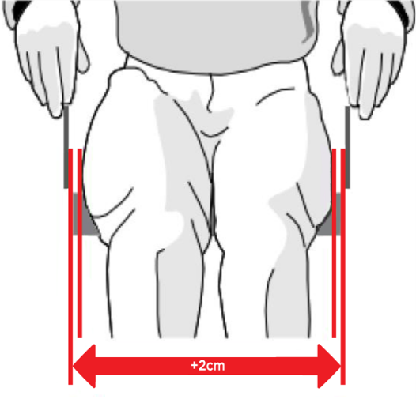 | 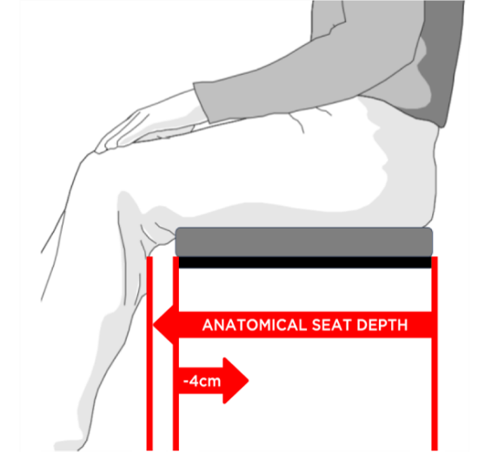

ANATOMICAL BACK HEIGHT
FLOOR SEAT-TO-FLOOR HEIGHT

For propelling an Active wheelchair, a backrest height below scapula level is desirable (as high as needed, but as low as possible, to maintain mobility).
You must add a minimum of 4 cm to the anatomical knee-to-heel length of the user to ensure enough space between footplate of the wheelchair and the the floor.
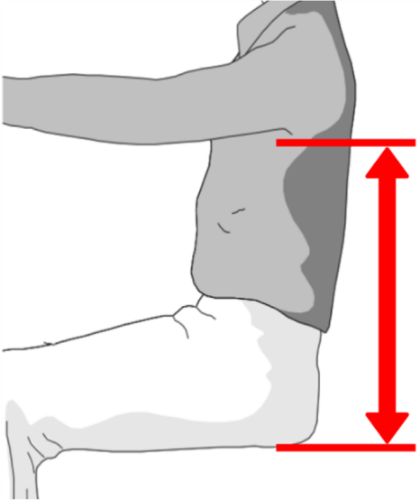 | 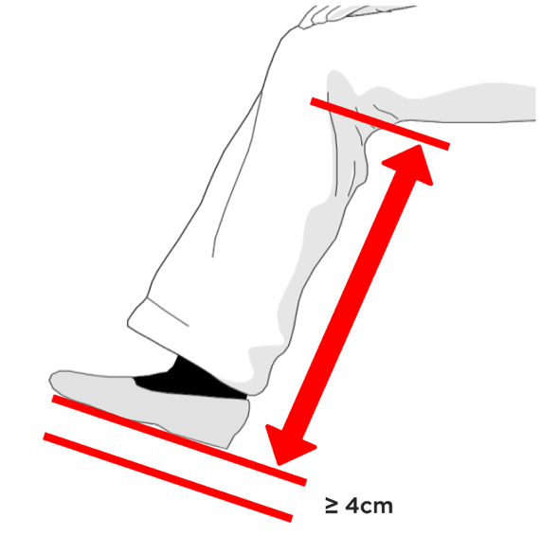

User Measurement
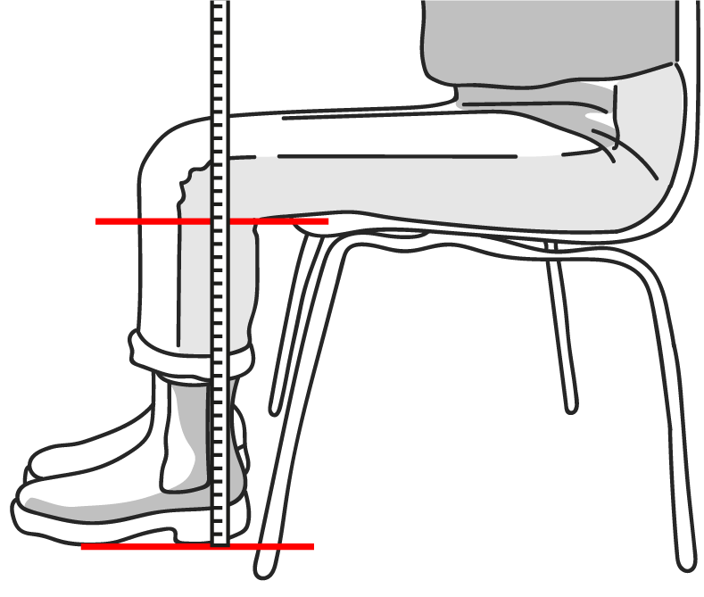
HOW TO MEASURE THE USER

Preferably use a flexible measure tape or a roller tape measure

HIP WIDTH
Enter measured value in mm
:
440
Sit the user on a flat surface (e.g. therapy table)
Position vertical blocks directly at both hips (e.g. binders)
Help the user to move away from that location.
Now you can measure the true distance between the two blocks / binders.
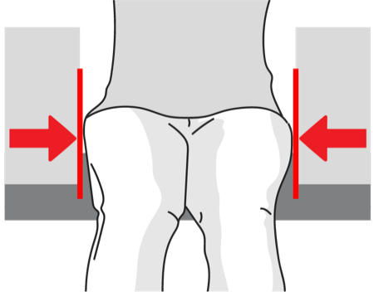

ANATOMICAL
SEAT DEPTH
Enter measured value in mm
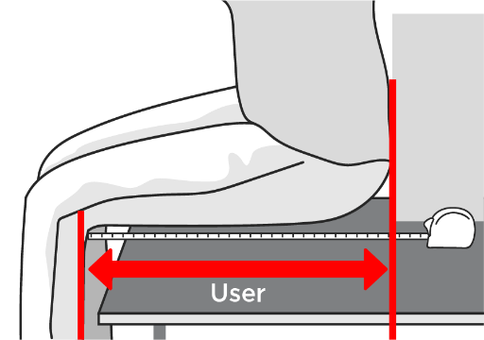
385

Sit the user on a flat surface
Measure the distance from the rear most point of the buttocks/ lower back to the hollow of the knee.

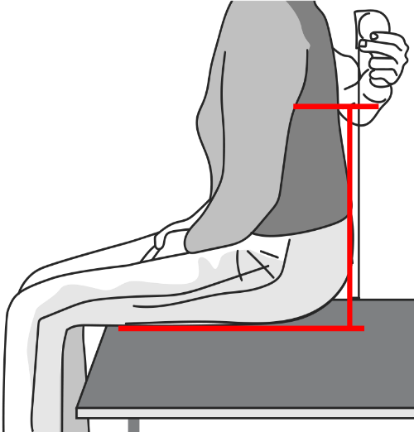
Enter measured value in mm
ANATOMICAL
BACK HEIGHT
330

Sit the user on a flat surface
Measure the vertical distance from the seat platform to the scapula

FRONT
SEAT-TO-FLOOR HEIGHT
Enter measured value in mm

500

Sit the user on a chair without a cushion
N.B: Take the height of shoes into account as “part of the body” (as no active wheelchair driver will use the chair without shoes)
Measure the distance from the heel of the shoe to the hollow of the knee.
Important note: This measurement does not include the cushion height! The effective front seat-to-floor height will increase by the individual height of the (loaded) cushion in the front.
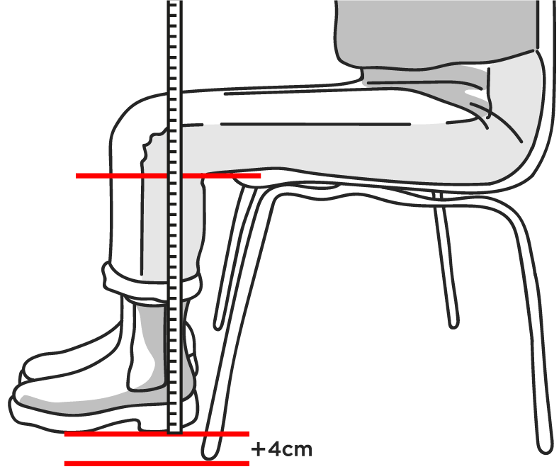

Enter measured value in mm
REAR
SEAT-TO-FLOOR HEIGHT
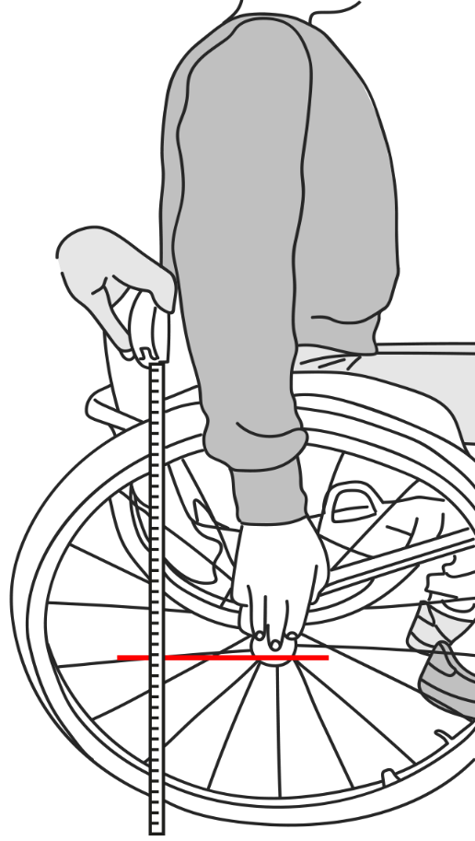
410

Sit the user in a wheelchair without a cushion
The user should sit upright and let the arms hang straight down at the side of the wheels (straight but not stretched)
Check if the tip of the middle fingers are about at the same level as the rear wheel axles
Note: This is a first step to accomplish the best setting for the user, but it may be necessary to adjust the rear seat height a little higher or lower, due to specific and individual requirements.
Important note: This measurement does not include the rear cushion height! The effective rear seat-to-floor height will increase by the individual height of the (loaded) cushion in the rear.

Enter measured value in mm
KNEE-TO-HEEL LENGTH OF USER

490

Sit the user on a chair.
N.B: Take the height of shoes into account as “part of the body” (as no active wheelchair driver will use the chair without shoes)
Measure the distance from the heel of the shoe to the hollow of the knee.
Important note: Subtract any existing or planned cushion height to get the correct measurement for ordering the wheelchair.

Compact measurement
Values from User Measurement page are filled automatically | Select your configuration based on your Compact measurements |  | Deviations:
 |  |  | Please allow a general tolerance of +/- 10mm
 |  |  | Handrim 40mm mounting: add 20mm on total width
USER MEASUREMENT | CONFIGURATION | OPTION | Alber adds on kit = possibly up to 20mm more than total width
HOW TO MEASURE AN EXISTING COMPACT WHEELCHAIR
 |  |  | Drumbrake wheel = SW+ 170mm
 | Frame type
 | Swing away 80° | DCA3010/3110 | Parameters not available:
Hip width (Trochanter <-> Trochanter) | Seat width |  | Mountain bike wheel | => Impact on Total width
SEAT WIDTH
440 | SW440 | DCA1340 | OAD wheel | => Impact on Total width
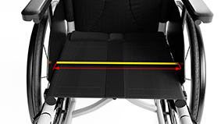
Anatomical seat depth | Seat depth |  | Angle adjustable legrest | => Impact on Total length
385 | SD380 | DCA1425 | Height adjustable push handle, rear set (DCA2430) | => Impact on Total height
Remove the seat cushion
Measure the inner distance between the clothes guards / mud guards / armrests in the rear of the seat (at the probable hip location of the user) N.B: The actual seat width of a Küschall wheelchair depends on its configuration of side parts. Please refer to the Küschall calculator tool, provided on the table to the right.
Anatomical back height (without cushion) | Backrest height |  | Height adjustable push handle, integrated (DCA2440) | => Impact on Total height
330 | BH330 | DCA1625 | Matrx backrest | => Impact on Total height
Front seat-to-floor height (without cushion) | Front seat to floor |  | Special fabrication
500 | FSTF500 | DCA1765
Rear seat-to-floor height (without cushion) | Rear seat to floor |  | For information:
410 | RSTF410 | DCA1825 | *Footplate plastic set to the back by default. If set to the front, adding 30mm
Knee-to-heel length (without cushion) | Lower leg length |  | *Footplate carbon set to the back by default. If set to the front, adding 60mm
490 | LLL490 | DCA1958 | ** Angle from the floor (Could be different due to the production tolerance on FSTF and RSTF)
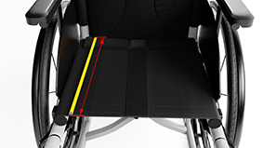
 | Backrest type |  | ***Effective SW is the calculation of SW +/- the impact of the side guards, according to the side guards choice, the SW can get a variation of +/- 5mm
SEAT DEPTH
 | Fix | DCA0100
 | Push handles
 | Without | DCA2400
Remove the seat cushion
Measure the distance from the front edge of the backrest tube (without upholstery) to the front edge of the seat cover
 | Footplates*
 | 2 pcs. plastic | DCA3260
 | Side guards
 | Eco clothe-guard fix | DCA3400
 | Rear wheel position
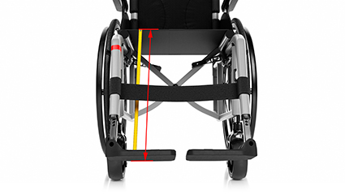
 | 1 | DCA6100
 | Rear wheel size
LOWER LEG LENGTH / FOOTPLATE HEIGHT
 | 24" | DCA6410
 | Rear wheel type
 | Starec | DCA6510
Remove the seat cushion
Measure the distance from the rear edge of the footplate to the front edge of the seat cover
Measure at the side to avoid incorrect results due to sagging of seat sling
 | Handrim
 | Alu black | DCA6790
 | Rear wheel camber
 | 0° | DCA6820
 | Total Width: | 628 mm

 | Total Length: | 928 mm
FRONT SEAT TO FLOOR HEIGHT
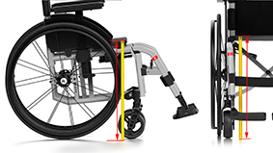
 | Total Height: | 712 mm

Remove the seat cushion
Measure the vertical distance from the floor to the top of the front edge of the seat cover
Measure at the side to avoid incorrect results due to sagging of seat sling
 | Effective SW***: | 445 mm +/-5

 | Seat Angle**: | 14.1 °

 | Backrest Angle**: | 104.1 °

 | Legrest Angle**: | 65.9 °
REAR SEAT TO FLOOR HEIGHT
 | High mounted foorest: | NO
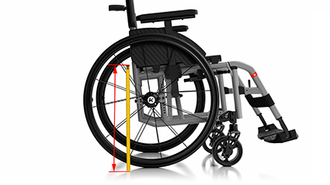
Remove the seat cushion
Measure the vertical distance from the floor to the top of the rear edge of the seat cover
Measure at the side to avoid incorrect results due to the sagging of seat sling

BACKREST HEIGHT AND ANGLE

Remove the seat cushion
Remove back upholstery in case of a tension adjustable backrest
Measure the vertical distance from the top of the seat frame in the rear to the top of the highest backrest strap to get the backrest height
Important note: For getting the correct backrest height: use the anatomical back height and add the effective rear cushion height
Apply an analog or digital protractor between the seat frame and the backrest tube to get the backrest-to-seat angle

Champion (SL) measurement
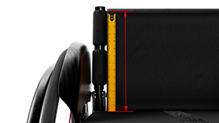
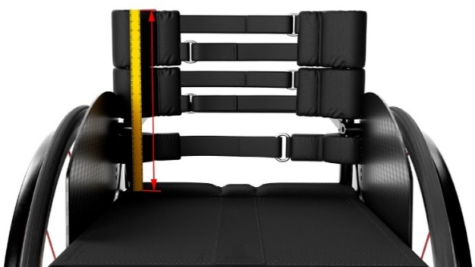
Values from User Measurement page are filled automatically | Select your configuration based on your Champion measurements |  | Deviations:
 |  |  | Please allow a general tolerance of +/- 10mm
 |  |  | Handrim 40mm mounting: add 20mm on total width
USER MEASUREMENT | CONFIGURATION | OPTION | Alber adds on kit = possibly up to 20mm more than total width
HOW TO MEASURE AN EXISTING CHAMPION WHEELCHAIR
 | Frame type |  | Parameters not available:
 | Frame 90° | DHA1160 | Mountain bike wheel | => Impact on Total width
Hip width (Trochanter <-> Trochanter) | Seat width |  | Angle adjustable legrest | => Impact on Total length
SEAT WIDTH
440 | SW440 | DHA1340 | Height adjustable push handle, rear set (DCA2430) | => Impact on Total height
Anatomical seat depth | Seat depth |  | Height adjustable push handle, integrated (DCA2440) | => Impact on Total height
Remove the seat cushion
Measure the inner distance between the clothes guards / mud guards / armrests in the rear of the seat (at the probable hip location of the user) N.B: The actual seat width of a Küschall wheelchair depends on its configuration of side parts. Please refer to the Küschall calculator tool, provided on the table to the right.
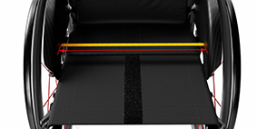
385 | SD380 | DHA1425 | Matrx backrest | => Impact on Total height
Anatomical back height | Backrest height |  | Special fabrication
330 | BH330 | DHA1625
Front seat-to-floor height without cushion | Front seat to floor |  | For information:
500 | FSTF500 | DHA1765 | *Angle from the floor (Could be different due to the production tolerance on FSTF and RSTF)
Rear seat-to-floor height without cushion | Rear seat to floor |  | **Effective SW is the calculation of SW +/- the impact of the side guards, according to the side guards choice, the SW can get a variation of +/- 5mm
410 | RSTF410 | DHA1825
Knee-to-heel length without cushion | Lower leg length
490 | LLL490 | DHA1958
 | Backrest angle
SEAT DEPTH
 | 85° | DHA2550
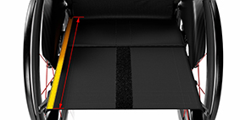
 | Push handles
 | Fixed mini | DHA2410
Remove the seat cushion
Measure the distance from the front edge of the backrest tube (without upholstery) to the front edge of the seat cover
 | Front wheel
 | 5" Everyday | DHA5300
 | Rear wheel position
 | Position 4 | DHA6130
 | Footrest position
 | Front | DHA3240
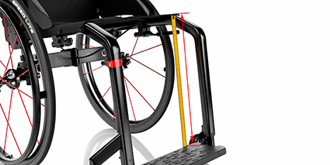
 | Side guards
LOWER LEG LENGTH / FOOTPLATE HEIGHT
 | Carbon mudguard removable | DHA3440
 | Armrest
 | No | /
Remove the seat cushion
Measure the distance from the rear edge of the footplate to the front edge of the seat cover
Measure at the side to avoid incorrect results due to sagging of seat sling
 | Rear wheel size
 | 24" | DHA6410
 | Rear wheel type
 | Active | DHA6500
 | Handrim
 | Active | DHA6500
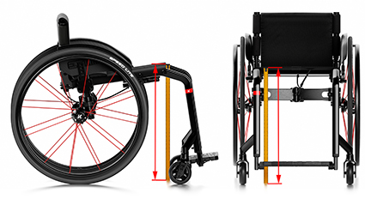
 | Rear wheel camber
FRONT SEAT TO FLOOR HEIGHT
 | 0° | DHA6820
 | Anti-tipper
Remove the seat cushion
Measure the vertical distance from the floor to the top of the front edge of the seat cover
Measure at the side to avoid incorrect results due to sagging of seat sling
 | Yes | DHA7500/7510/7520
 | TOTAL WIDTH: | 628 mm

 | TOTAL LENGTH: | 881 mm

 | TOTAL HEIGHT: | 756 mm

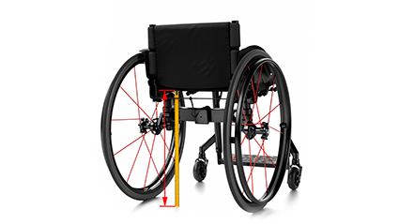
 | Effective SW**: | 445 mm 0/+5
REAR SEAT TO FLOOR HEIGHT
 | SEAT ANGLE*: | 14 °

Remove the seat cushion
Measure the vertical distance from the floor to the top of the rear edge of the seat cover
Measure at the side to avoid incorrect results due to the sagging of seat sling
 | BACKREST ANGLE*: | 99 °

 | Legrest Angle*: | 76 °

 | High mounted foorest: | NC

BACKREST HEIGHT AND ANGLE

Remove the seat cushion
Remove back upholstery in case of a tension adjustable backrest
Measure the vertical distance from the top of the seat frame in the rear to the top of the highest backrest strap to get the backrest height
Apply an analog or digital protractor between the seat frame and the backrest tube to get the backrest-to-seat angle

K-Series measurement
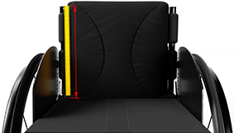
Values from User Measurement page are filled automatically | Select your configuration based on your K-Series measurements |  | Deviations:
 |  |  | Please allow a general tolerance of +/- 10mm
 |  |  | Handrim 40mm mounting: add 20mm on total width
USER MEASUREMENT | CONFIGURATION | OPTION | Alber adds on kit = possibly up to 20mm more than total width
HOW TO MEASURE AN EXISTING K-SERIES WHEELCHAIR
 | Frame type (see table) |  | Parameters not available:
 | 90° +50mm | DKA1090 | Mountain bike wheel |  |  |  |  | => Impact on Total width
Hip width (Trochanter <-> Trochanter) | Seat width |  | Height adjustable push handle, rear set (DKA2430) |  |  |  |  | => Impact on Total height
SEAT WIDTH
440 | SW440 | DKA1340 | Height adjustable push handle, integrated (DKA2440) |  |  |  |  | => Impact on Total height
Anatomical seat depth | Seat depth |  | Rear wheel extension (DKA6030,6040) |  |  |  |  | => Impact on Total length
Remove the seat cushion
Measure the inner distance between the clothes guards / mud guards / armrests in the rear of the seat (at the probable hip location of the user) N.B: The actual seat width of a Küschall wheelchair depends on its configuration of side parts. Please refer to the Küschall calculator tool, provided on the table to the right.
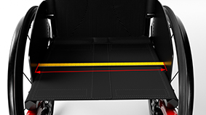
385 | SD375 | DKA1420 | Matrx backrest |  |  |  |  | => Impact on Total height
 | Seat position |  | Special fabrication
 | 4 = 95mm | DKA1530
Anatomical back height (without cushion) | Backrest height |  | For information:
330 | BH330 | DKA1625 | ***Footplate carbon set to the back by default. If set to the front, adding 60mm
Front seat-to-floor height (without cushion) | Front seat to floor |  | *If 2 axles, worst case is calculted
500 | FSTF500 | DKA1765 | *If vario axle, angle 0° is calculated
Rear seat-to-floor height (without cushion) | Rear seat to floor |  | **Angle from the floor (Could be different due to the production tolerance on FSTF and RSTF)
410 | RSTF410 | DKA1825 | ****Effective SW is the calculation of SW +/- the impact of the side guards, according to the side guards choice, the SW can get a variation of +/- 5mm
Knee-to-heel length (without cushion) | Lower leg length
SEAT DEPTH
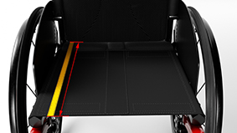
490 | LLL480 | DKA1956
 | Push handles |  | Table for frame type configuration:
 | Fixed mini | DKA2410 | Frame | 24" rear wheel |  |  | 25" rear wheel |  |  | 26" rear wheel
Remove the seat cushion
Measure the distance from the front edge of the backrest tube (without upholstery) to the front edge of the seat cover
 | Backrest angle |  |  | FSTF | LLL |  | FSTF | LLL |  | FSTF | LLL
 | 86° | DKA2560 |  |  | footrest | flip-up |  | footrest | flip-up |  | footrest | flip-up
 | Footrest*** |  | 75° Short | 450 | 330-420 | 290-420 | 460 | 330-430 | 290-430 | 470 | 330-440 | 290-440
 | Aluminium | DKA3200 |  | 460 | 340-430 | 300-430 | 470 | 340-440 | 300-440 | 480 | 340-450 | 300-450
 | Side guards |  |  | 470 | 350-440 | 310-440 | 480 | 350-450 | 310-450 | 490 | 350-460 | 310-460
 | Clothe-guards | DKA3405/3420 | 75° Standard | 480 | 370-450 | 330-450 | 490 | 370-460 | 330-460 | 500 | 370-470 | 330-470
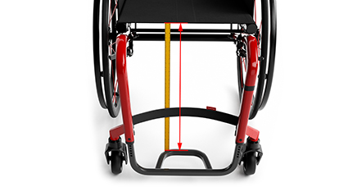
 | Rear wheel camber* |  |  | 490 | 380-460 | 340-460 | 500 | 380-470 | 340-470 | 510 | 380-480 | 340-480
LOWER LEG LENGTH / FOOTPLATE HEIGHT
 | 3° | DKA6210 |  | 500 | 390-470 | 350-470 | 510 | 390-480 | 350-480 | 520 | 390-490 | 350-490
 | Rear wheel size |  | 75° +50mm | 500 | 390-470 | 350-470 | 510 | 390-480 | 350-480 | 520 | 390-490 | 350-490
 | 25" | DKA6420 |  | 510 | 400-480 | 360-480 | 520 | 400-490 | 360-490 | 530 | 400-500 | 360-500
Remove the seat cushion
Measure the distance from the rear edge of the footplate to the front edge of the seat cover
Measure at the side to avoid incorrect results due to sagging of seat sling
 | Rear wheel type |  |  | 520 | 410-490 | 370-490 | 530 | 410-500 | 370-500 | 540 | 410-510 | 370-510
 | Active | DKA6500 | 90° Short | 450 | 330-410 | 290-410 | 460 | 330-420 | 290-420 | 470 | 330-430 | 290-430
 | Handrim |  |  | 460 | 340-420 | 300-420 | 470 | 340-430 | 300-430 | 480 | 340-440 | 300-440
 | Active | DKA6500 |  | 470 | 350-430 | 310-430 | 480 | 350-440 | 310-440 | 490 | 350-450 | 310-450
 | TOTAL WIDTH: | 646 mm | 90° Standard | 480 | 380-440 | 340-440 | 490 | 380-450 | 340-450 | 500 | 380-460 | 340-460
 |  |  |  | 490 | 390-450 | 350-450 | 500 | 390-460 | 350-460 | 510 | 390-470 | 350-470
 | TOTAL LENGTH: | #VALUE! |  | 500 | 400-460 | 360-460 | 510 | 400-470 | 360-470 | 520 | 400-480 | 360-480
 |  |  | 90° +50mm | 500 | 400-460 | 360-460 | 510 | 400-470 | 360-470 | 520 | 400-480 | 360-480
 | TOTAL HEIGHT: | 754 mm |  | 510 | 410-470 | 370-470 | 520 | 410-480 | 370-480 | 530 | 410-490 | 370-490
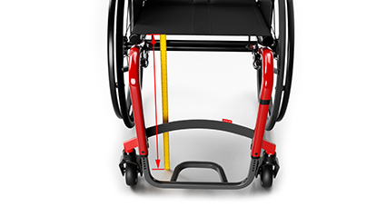
 |  |  |  | 520 | 420-480 | 380-480 | 530 | 420-490 | 380-490 | 540 | 420-500 | 380-500
FRONT SEAT TO FLOOR HEIGHT
 | Effective SW****: | 440 mm 0/+5

 | SEAT ANGLE**: | 15.2 °
Remove the seat cushion
Measure the vertical distance from the floor to the top of the front edge of the seat cover
Measure at the side to avoid incorrect results due to sagging of seat sling
 | BACKREST ANGLE**: | 101.2 °

 | Legrest Angle**: | 88 °

 | High mounted foorest: | NC

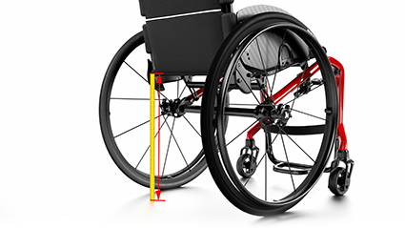

REAR SEAT TO FLOOR HEIGHT

Remove the seat cushion
Measure the vertical distance from the floor to the top of the rear edge of the seat cover
Measure at the side to avoid incorrect results due to the sagging of seat sling

BACKREST HEIGHT AND ANGLE

Remove the seat cushion
Remove back upholstery in case of a tension adjustable backrest
Measure the vertical distance from the top of the seat frame in the rear to the top of the highest backrest strap to get the backrest height
Apply an analog or digital protractor between the seat frame and the backrest tube to get the backrest-to-seat angle

The KSL measurement
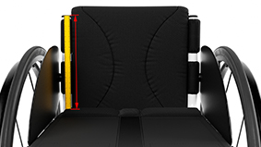
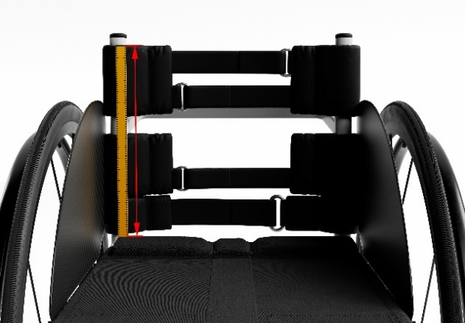
Values from User Measurement page are filled automatically | Select your configuration based on your KSL measurements |  | Deviations:
 |  |  | Please allow a general tolerance of +/- 10mm
 |  |  | Handrim 40mm mounting: add 20mm on total width
USER MEASUREMENT | CONFIGURATION | OPTION | Alber adds on kit = possibly up to 20mm more than total width
HOW TO MEASURE AN EXISTING KSL WHEELCHAIR
 | Backrest type |  | Parameters not available:
 | Fix | DSA0100 | Mountain bike wheel | => Impact on Total width
 | Frame angle |  | Height adjustable push handle, rear set (DSA2430) | => Impact on Total height
SEAT WIDTH
 | 90° | DSA1020/1030 | Height adjustable push handle, integrated (DSA2440) | => Impact on Total height
Hip width (Trochanter <-> Trochanter) | Seat width |  | Matrx backrest | => Impact on Total height
Remove the seat cushion
Measure the inner distance between the clothes guards / mud guards / armrests in the rear of the seat (at the probable hip location of the user) N.B: The actual seat width of a Küschall wheelchair depends on its configuration of side parts. Please refer to the Küschall calculator tool, provided on the table to the right.
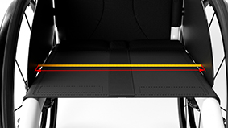
440 | SW440 | DSA1340 | Special fabrication
Anatomical seat depth | Seat depth
385 | SD385 | DSA1430 | For information:
Anatomical back height | Backrest height |  | *Footplate carbon set to the back by default. If set to the front, adding 60mm
330 | BH330 | DSA1625 | **Angle from the front floor
Front seat-to-floor height without cushion | Front seat to floor |  | ***Effective SW is the calculation of SW +/- the impact of the side guards, according to the side guards choice, the SW can get a variation of +/- 5mm
500 | FSTF500 | DSA1765
Rear seat-to-floor height without cushion | Rear seat to floor
410 | RSTF410 | DSA1825
Knee-to-heel length without cushion | Lower leg length
SEAT DEPTH
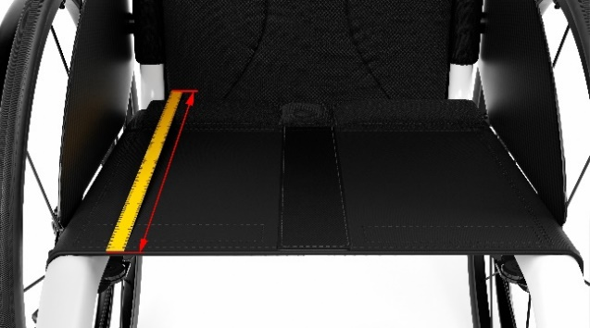
490 | LLL490 | DSA1958
 | Push handles
 | Fixed mini | DSA2410
Remove the seat cushion
Measure the distance from the front edge of the backrest tube (without upholstery) to the front edge of the seat cover
 | Backrest angle
 | 86° | DSA2560
 | Footrest*
 | Aluminium | DSA3200
 | Seat position
 | 3 = 110mm | DSA6120
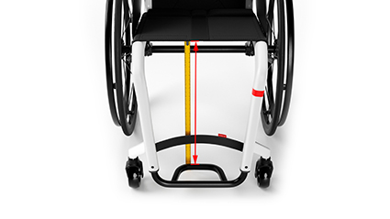
 | Rear wheel size
LOWER LEG LENGTH / FOOTPLATE HEIGHT
 | 24" | DSA6410
 | Rear wheel type
 | Active | DSA6500
Remove the seat cushion
Measure the distance from the rear edge of the footplate to the front edge of the seat cover
Measure at the side to avoid wrong results due to sagging of seat sling
 | Handrim
 | Active | DSA6500
 | Rear wheel camber
 | 3° | DSA6210
 | TOTAL WIDTH: | 639 mm

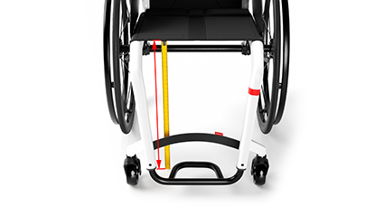
 | TOTAL LENGTH: | 777 mm
FRONT SEAT TO FLOOR HEIGHT
 | TOTAL HEIGHT: | 754 mm
Remove the seat cushion
Measure the vertical distance from the floor to the top of the front edge of the seat cover
Measure at the side to avoid incorrect results due to sagging of seat sling
 | Effective SW***: | 445 mm 0/+5

 | SEAT ANGLE**: | 15 °

 | BACKREST ANGLE**: | 101 °

 | Legrest Angle**: | 85 °
REAR SEAT TO FLOOR HEIGHT
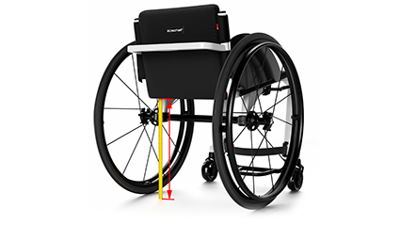

Remove the seat cushion
Measure the vertical distance from the floor to the top of the rear edge of the seat cover
Measure at the side to avoid incorrect results due to the sagging of seat sling

BACKREST HEIGHT AND ANGLE

Remove the seat cushion
Remove back upholstery in the case of a tension adjustable backrest
Measure the vertical distance from the top of the seat frame in the rear to the top of the highest backrest strap to get the backrest height
Apply an analog or digital protractor between the seat frame and the backrest tube to get the backrest-to-seat angle

